Feuil1
 |  |  | BOARD DISTANCE ~ 2 METRES
Hyperparameters |  |  | Calibration with 30 Images at 2 Metres
FIX INTRINSIC | Max Iterations | Epsilon | Set: 1 | Set: 2 | Set: 3 | Set: 4 | Set: 5 | Set: 1+2 | Set: 1+2+3 | Set: 1+2+3+4 | Set: 1+2+3+4+5
True | 100 | 10^-5 | 3.59 | 4.51 | 7.53 | 3.51 | 2.77 | 4.13 | 7.69 | 7.03 | 6.42
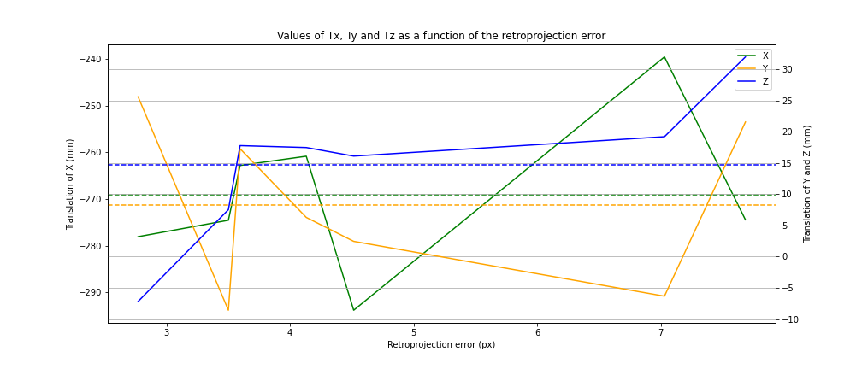
True | 500 | 10^-6 | 3.59 | 4.51 | 7.49 | 3.43 | 2.77 | 4.13 | 7.69 | 7.03 | NaN
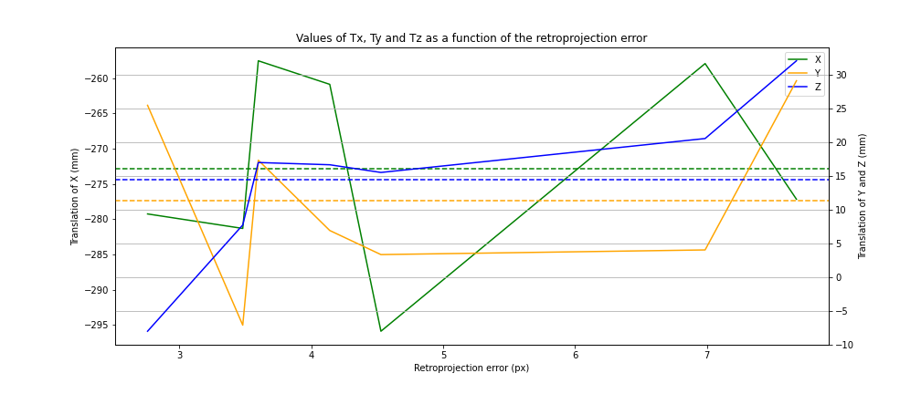
False | 100 | 10^-6 | 3.59 | 4.51 | 7.53 | 3.51 | 2.77 | 4.13 | 11.18 | 7.02 | NaN

 |  |  | BOARD DISTANCE ~ 1 METRE
Hyperparameters |  |  | Calibration with 60 Images at 1 Metre
FIX INTRINSIC | Max Iterations | Epsilon | Set: 1 | Set: 2 | Set: 3 | Set: 4 | Set: 5 | Set: 1+2 | Set: 1+2+3 | Set: 1+2+3+4 | Set: 1+2+3+4+5
True | 100 | 10^-5 | 2.85 | 3.68 | 4.69 | 8.46 | 5.09 | 3.37 | 3.89 | 5.51 | NaN
True | 500 | 10^-6 | 2.85 | 3.68 | 4.69 | 8.46 | 5.09 | 3.37 | 3.89 | 5.51 | NaN
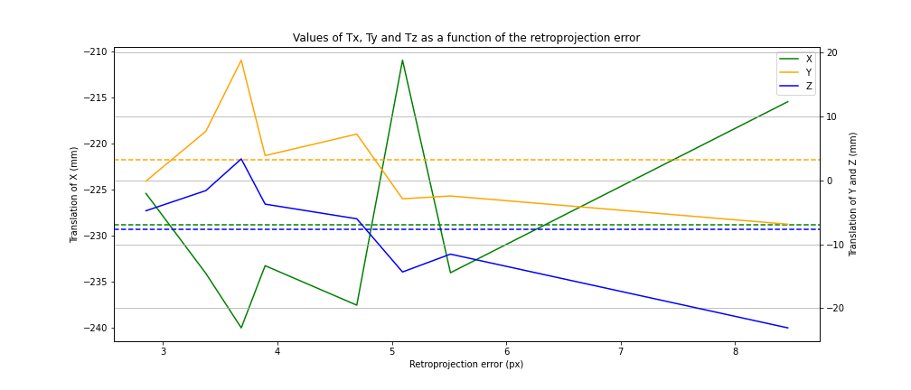
False | 100 | 10^-6 | 2.85 | 3.68 | 4.69 | 8.46 | 5.09 | 3.37 | 3.89 | 5.51 | NaN

